About

 | Alkem Laboratories is one of India's leading pharmaceutical companies, focused mainly on branded generic medicines. The company has a strong domestic presence, particularly in anti infectives, gastrointestinal, vitamins, neurology, cardiology, and diabetes therapies, while also exporting products to over 40 countries, including the United States. Alkem operates multiple manufacturing facilities and has gradually expanded into specialty and chronic therapies, which generally provide higher margins and more stable growth than acute care medicines. Its well known brands include Clavam, Pan, Taxim, and Gemcal. The company is known for a strong doctor distribution network, consistent profitability, and a healthy balance sheet, making it a significant player in the Indian pharmaceutical sector.

Subsidaries | Units

Alkem Laboratories Corporation, Makati City Philippines, 1229 | Taloja, Navi Mumbai Maharashtra
Ascend GmbH, Frankfurt am Main Germany, 60439 | Mandva, Gujarat
Pharmacor Pty Limited, Manly Vale NSW Australia, 2093 | Baddi, Himachal Pradesh
S & B Holdings B.V., Amsterdam Netherlands, 1043 BW | Daman, Dadra and Nagar Haveli and Daman and Diu
ThePharmaNetwork LLC, Montvale New Jersey USA, 07645 | Sikkim
Ascend Laboratories LLC, Montvale New Jersey USA, 07645 | Indore, Madhya Pradesh
Ascend Laboratories UK Limited, United Kingdom | Ankleshwar, Gujarat
Ascend Laboratories Ltd., Canada | Pune, Maharashtra
Ascend Laboratories SDN BHD., Malaysia | St Louis, Missouri USA
Ascend Laboratories SpA, Chile | California USA
Ascend Laboratories SAS, Colombia
Pharmacor Ltd., Kenya
Alkem Laboratories Korea Inc., South Korea
Enzene Biosciences Limited, India
Cachet Pharmaceuticals Private Limited, India
Indchemie Health Specialities Private Limited, India
The PharmaNetwork LLP, Kazakhstan

Stock
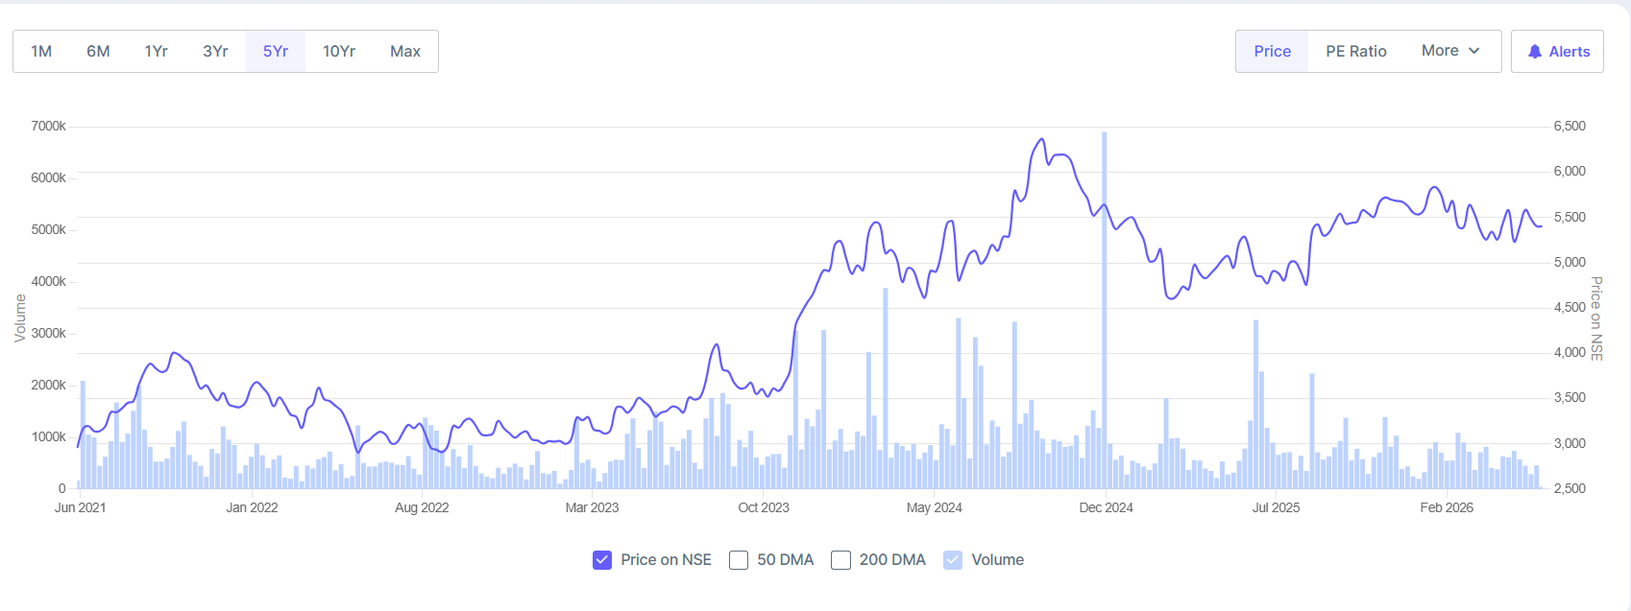
 |  | Recommendation
 |  | HOLD — Alkem Laboratories trades at ₹5458, valuing the company at ₹65,253 Cr. With FY25 consolidated revenue of ₹12,965 Cr (+2.3% YoY) and PAT of ₹2,215 Cr (+22.3% YoY), the stock offers a balanced risk-reward profile. Current P/E of 27.2x, ROCE of 20.4%, and dividend yield of 0.84% reflect a fairly valued mid-cap pharmaceutical company with steady fundamentals. Suitable for long-term investors with moderate growth expectations.

 |  | Alkem Laboratories is India's 5th largest pharmaceutical company by domestic market share (4.1% in 9M FY25), with leadership in anti-infectives and strong presence in GI, pain management, and vitamins segments. The company has demonstrated consistent profit growth with FY21-FY25 PAT CAGR of 8.1%, though revenue growth has moderated to 9.2% CAGR over five years due to market maturity and competitive pressures. Key investment considerations: (1) Domestic formulations business stabilizing with volume recovery; (2) Export momentum gaining from emerging market focus; (3) Specialty and complex generics portfolio contributing to margin expansion; (4) US FDA compliance maintained with no Form 483 in recent inspections. Risk factors include generic price compression in key markets, forex volatility, and regulatory challenges. Management guidance suggests steady execution with EBITDA margin expansion target of 22-25%. The stock is suitable for value-conscious investors seeking stability over aggressive growth.

 |  |  | Financial Year | Revenue (₹ Crore) | Profit After Tax (PAT) (₹ Crore) | Revenue Change (%) | PAT Change (%) | ROCE (%)
 |  |  | FY 2024-25 | 12,965 | 2,215 | 2.34% | 22.31% | 20.40%
 |  |  | FY 2023-24 | 12,668 | 1,811 | 9.22% | 79.84% | 20.40%
 |  |  | FY 2022-23 | 11,599 | 1,007 | 9.07% | -40.06% | 20.40%
 |  |  | FY 2021-22 | 10,634 | 1,680 | 19.95% | 3.83% | 20.40%
Metric | Value |  | FY 2020-21 | 8,865 | 1,618 | - | - | 20.40%
Market Cap | ₹ 65,253 Cr.
Current Price | 5458.00
High / Low | ₹ 5,934 / ₹ 4,716
Stock P/E | 27.20
Book Value | 1116.00 | Alkem Laboratories posts FY25 revenue of ₹12,965 Cr, PAT up 22% YoY to ₹2,215 Cr; stock trades at ₹5,458
Dividend Yield | 0.84%
ROCE | 20.40%
ROE | 19.40%
Face Value | 2.00

Data source: Screener.in | As of May 18, 2026

WACC
Weighted Average Cost of Capital

Capital Structure
Total Debt | 1,380.9
Total Equity | 11,984.8
Total Mix | 13,365.7
% of Debt | 10.3%
% of Equity | 89.7%
Debt to Equity | 11.5%

Cost of Equity |  |  | Cost of Debt
Risk free rate(Rf) | 6.6% |  | Source | Cost
Beta | 0.52 |  | Cost of debt* | 8.8%
Market risk premium | 7.0% |  | Tax rate | 15.9%
Cost of equity | 10.2% |  | Cost of Debt after tax | 7.4%

WACC
Source | Weight | Cost | Weighted Cost
Debt | 10.3% | 7.4% | 0.8%
Equity | 89.7% | 10.2% | 9.2%
WACC |  |  | 10.0%

